1 - Cover
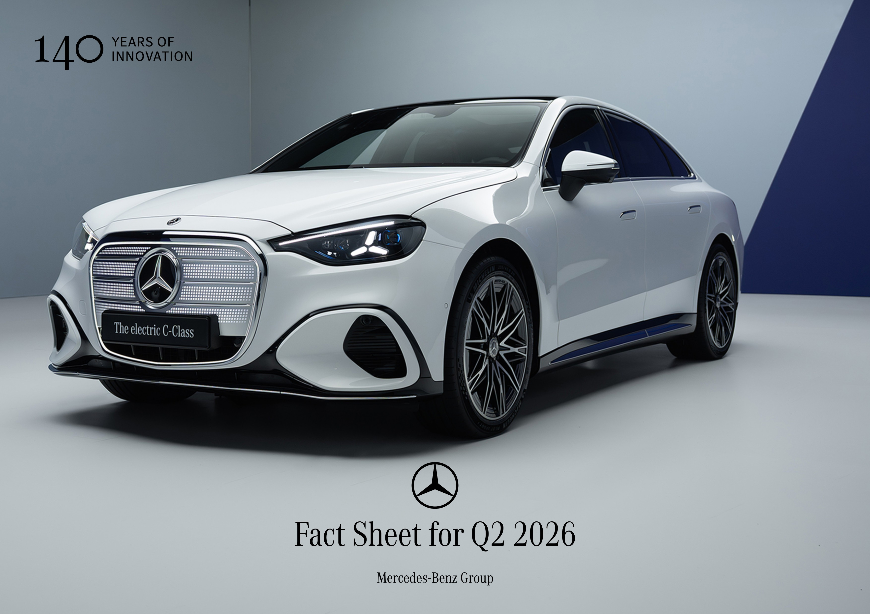

The cover image shows the C 400 4MATIC electric | Energy consumption (combined): 14.3 kWh/100km | CO₂ emissions (combined): 0.0 g/km | Electric range: 753 km | Electric range (urban): 869 km | CO₂ class (combined): A.

